Annotations List
TestNG Link
Junit Link

 | http://testng.org/doc/documentation-main.html#annotations |  | http://junit.sourceforge.net/javadoc/org/junit/package-summary.html
TestNG Annotations |  | Junit Annotations
@BeforeSuite | The annotated method will be run before all tests in this suite have run. | After | If you allocate external resources in a Before method you need to release them after the test runs.
@AfterSuite | The annotated method will be run after all tests in this suite have run. | AfterClass | If you allocate expensive external resources in a BeforeClass method you need to release them after all the tests in the class have run.
@BeforeTest | The annotated method will be run before any test method belonging to the classes inside the <test> tag is run. | Before | When writing tests, it is common to find that several tests need similar objects created before they can run.
@AfterTest | The annotated method will be run after all the test methods belonging to the classes inside the <test> tag have run. | BeforeClass | Sometimes several tests need to share computationally expensive setup (like logging into a database).
@BeforeGroups | The list of groups that this configuration method will run before. This method is guaranteed to run shortly before the first test method that belongs to any of these groups is invoked. | Ignore | Sometimes you want to temporarily disable a test or a group of tests. This annotation can be used if you want to ignore some statements during test execution for e.g. disabling some test cases during test execution.
@AfterGroups | The list of groups that this configuration method will run after. This method is guaranteed to run shortly after the last test method that belongs to any of these groups is invoked. | Test | The Test annotation tells JUnit that the public void method to which it is attached can be run as a test case.
@BeforeClass | The annotated method will be run before the first test method in the current class is invoked. | @Test(timeout=500) | This annotation can be used if you want to set some timeout during test execution for e.g. if you are working under some SLA (Service level agreement), and tests need to be completed within some specified time.
@AfterClass | The annotated method will be run after all the test methods in the current class have been run. | @Test(expected=IllegalArgumentException.class) | This annotation can be used if you want to handle some exception during test execution. For, e.g., if you want to check whether a particular method is throwing specified exception or not.
@BeforeMethod | The annotated method will be run before each test method.
@AfterMethod | The annotated method will be run after each test method. | Class
@DataProvider | Marks a method as supplying data for a test method. The annotated method must return an Object[][] where each Object[] can be assigned the parameter list of the test method. The @Test method that wants to receive data from this DataProvider needs to use a dataProvider name equals to the name of this annotation. name : The name of this data provider. If it's not supplied, the name of this data provider will automatically be set to the name of the method. parallel : If set to true, tests generated using this data provider are run in parallel. Default value is false. | Assert | A set of assertion methods useful for writing tests.
@Factory | Marks a method as a factory that returns objects that will be used by TestNG as Test classes. The method must return Object[]. | Assume | A set of methods useful for stating assumptions about the conditions in which a test is meaningful.
@Listeners | Defines listeners on a test class. value : An array of classes that extend org.testng.ITestNGListener. | Test.None | Default empty exception
@Parameters | Describes how to pass parameters to a @Test method. value The list of variables used to fill the parameters of this method.
@Test | Marks a class or a method as part of the test. | JUnit Assert Class | This class provides a bunch of assertion methods useful in writing a test case. If all assert statements are passed, test results are successful. If any assert statement fails, test results are failed.
alwaysRun | If set to true, this test method will always be run even if it depends on a method that failed. |  | Method | Description
dataProvider | The name of the data provider for this test method. |  | void assertEquals(boolean expected, boolean actual) | It checks whether two values are equals similar to equals method of Object class
dataProviderClass | The class where to look for the data provider. If not specified, the data provider will be looked on the class of the current test method or one of its base classes. If this attribute is specified, the data provider method needs to be static on the specified class. |  | void assertFalse(boolean condition) | functionality is to check that a condition is false.
dependsOnGroups | The list of groups this method depends on. |  | void assertNotNull(Object object) | "assertNotNull" functionality is to check that an object is not null.
dependsOnMethods | The list of methods this method depends on. |  | void assertNull(Object object) | "assertNull" functionality is to check that an object is null.
description | The description for this method. |  | void assertTrue(boolean condition) | "assertTrue" functionality is to check that a condition is true.
enabled | Whether methods on this class/method are enabled. |  | void fail() | If you want to throw any assertion error, you have fail() that always results in a fail verdict.
expectedExceptions | The list of exceptions that a test method is expected to throw. If no exception or a different than one on this list is thrown, this test will be marked a failure. |  | void assertSame([String message] | "assertSame" functionality is to check that the two objects refer to the same object.
groups | The list of groups this class/method belongs to. |  | void assertNotSame([String message] | "assertNotSame" functionality is to check that the two objects do not refer to the same object.
invocationCount | The number of times this method should be invoked. | JUnit Test Cases Class | To run multiple test, TestCase class is available in org.junit.TestCase packages. Annotation @Test tells JUnit that this public void method (Test Case here) to which it is attached can be run as a test case.
invocationTimeOut | The maximum number of milliseconds this test should take for the cumulated time of all the invocationcounts. This attribute will be ignored if invocationCount is not specified. |  | Method | Description
priority | The priority for this test method. Lower priorities will be scheduled first. |  | int countTestCases() | This method is used to count how many number of test cases executed by run(TestResult tr) method.
successPercentage | The percentage of success expected from this method |  | TestResult createResult() | This method is used to create a TestResult object.
singleThreaded | If set to true, all the methods on this test class are guaranteed to run in the same thread, even if the tests are currently being run with parallel="methods". This attribute can only be used at the class level and it will be ignored if used at the method level. Note: this attribute used to be called sequential (now deprecated). |  | String getName() | This method returns a string which is nothing but a TestCase.
timeOut | The maximum number of milliseconds this test should take. |  | TestResult run() | This method is used to execute a test which returns a TestResultobject
threadPoolSize | The size of the thread pool for this method. The method will be invoked from multiple threads as specified by invocationCount. |  | void run(TestResult result) | This method is used to execute a test having a TestResult object which doesn't returns anything.
 | Note: this attribute is ignored if invocationCount is not specified |  | void setName(String name) | This method is used to set a name of a TestCase.
 | Behaviour of annotations in superclass of a TestNG class |  | void setUp() | This method is used to write resource association code. e.g. Create a database connection.
 | The annotations above will also be honored (inherited) when placed on a superclass of a TestNG class. This is useful for example to centralize test setup for multiple test classes in a common superclass. |  | void tearDown() | This method is used to write resource release code. e.g. Release database connection after performing transaction operation.
 | In that case, TestNG guarantees that the "@Before" methods are executed in inheritance order (highest superclass first, then going down the inheritance chain), and the "@After" methods in reverse order (going up the inheritance chain). | JUnit TestResult Class | When you execute a test, it returns a result (in the form of TestResult object). This TestResult object can be used to analyse the resultant object. This test result can be either failure or successful
alwaysRun | For before methods (beforeSuite, beforeTest, beforeTestClass and beforeTestMethod, but not beforeGroups): If set to true, this configuration method will be run regardless of what groups it belongs to. |  | Method | Description
 | For after methods (afterSuite, afterClass, ...): If set to true, this configuration method will be run even if one or more methods invoked previously failed or was skipped. |  | void addError(Test test, Throwable t) | This method is used if you require add an error to the test.
dependsOnGroups | The list of groups this method depends on. |  | void addFailure(Test test, AssertionFailedError t) | This method is used if you require add a failure to the list of failures.
dependsOnMethods | The list of methods this method depends on. |  | void endTest(Test test) | This method is used to notify that a test is performed(completed)
enabled | Whether methods on this class/method are enabled. |  | int errorCount() | This method is used to get the error detected during test execution.
groups | The list of groups this class/method belongs to. |  | Enumeration<TestFailure> errors() | This method simply returns a collection (Enumeration here) of errors.
inheritGroups | If true, this method will belong to groups specified in the @Test annotation at the class level. |  | int failureCount() | This method is used to get the count of errors detected during test execution.
onlyForGroups | Only for @BeforeMethod and @AfterMethod. If specified, then this setup/teardown method will only be invoked if the corresponding test method belongs to one of the listed groups. |  | void run(TestCase test) | This method is used to execute a test case.
 |  |  | int runCount() | This method simply counts the executed test.
 |  |  | void startTest(Test test) | This method is used to notify that a test is started.
 |  |  | void stop() | This method is used to test run to be stopped.
 |  | JUnit Test Suite Class | If you want to execute multiple tests in a specified order, it can be done by combining all the tests in one place. This place is called as the test suites.
 |  |  | Method | Description
 |  |  | void addTest(Test test) | This method is used if you want to add a test to the suite.
 |  |  | void addTestSuite(Class<? extends TestCase> testClass) | This method is used if you want to specify the class while adding a test to the suite.
 |  |  | int countTestCases() | This method is used if you want to count the number of test cases.
 |  |  | String getName() | This method is used to get the name of the test suite.
 |  |  | void run(TestResult result) | This method is used to execute a test and collect test result in TestResult object.
 |  |  | void setName(String name) | This method is used to set the name of TestSuite.
 |  |  | Test testAt(int index) | This method is used if you want to return the test at given index.
 |  |  | int testCount() | This method is used if you want to return a number of tests in the Suite.
 |  |  | static Test warning(String message) | This method returns a test which will fail and log a warning message.

Page object model(Hybrid frame)
 | POM: Page Object model | Action:1 | Action:2 | Acgtion:3 | Action:4 | Action:5 | Action:6 | Action:7 | Action:8 | Action:9 | Different browsers | Virtual machines
All Apache POI API's has to be included for Data Driven framework Selenium dependency TestNG dependecy | 1.(It is a design pattern used with Data driven framework and TestNg) 2.This is also called as page chaining model because we connect to different pages to perform actions from the home page… 3.For every page we have to create separate Java class… If we have 100 pages we will have 100 classes 4.we will create individual package for below actions. | 1.Create Base class (i.e parent class for pagelayer-1 and Test Layer-2) 2.initatilise webdriver (webdriver = new chrome drivwer) 3.initilaise properties 4.define implicit wait for a page(implicitwait()) 5.delete cookies deleteallcookies() 6.maximise window etc can be written here.maximisewindow() 7.get the url (get(url)) | configure properties (defining environment variables) | Have testdata.xls file for test data. | test.util.java: how to take screenshot will bedefined here | Page Layer -1 Step:1 - Define web elements for selected page (i.e we have created a Object Repository) Step:2 - Functions / methodsfor actions (Login button,Cancel button etc) Step1 and 2 is called Page libraries- (Page Lib) | Test Layer-2 Step:3 - Using testNg annotations we will write java class for respectives pages. Step:4 - Test case will be written here | Creating report (HTML,console or TestNG report, extent report etc |  |  |  | To execute in Vitrual machines,VPN etc | Screen Shot | import java.io.File;// to mention the file location where it can be stored import java.io.IOException; // to load the exceptions import org.apache.commons.io.FileUtils; // to copy the file to a specified location import org.openqa.selenium.OutputType; // to mention the type of copy import org.openqa.selenium.TakesScreenshot; // to take screen shot | import org.openqa.selenium.chrome.ChromeDriver; import org.openqa.selenium.WebDriver; public class initali { WebDriver browser = new ChromeDriver(); public void screensht() { File SRC = ((TakesScreenshot)browser).getScreenshotAs(OutputType.FILE); FileUtils.copyFile(SRC, new File("c://murugan");
 |  | create package com.crm.qa.base | create package com.crm.qa.config | create package com.crm.qa.testdata | create package com.crm.qa.utilpackage | SRC/Main java - | SRC/Test/Java | package for reporting will be created automatically | GIT Reportsitory | Selenium GRID- Parallel testing | Firefox/etc | Sauce labs/ browser Stack | TO load a file from specific path | import java.io.FileInputStream; // to mention the file location from which it can be loaded import java.util.Properties; // to load the properties import org.openqa.selenium.OutputType; // to mention the type of copy import org.openqa.selenium.TakesScreenshot; // to take screen shot | Properties p = new Properties(); FileInputStream FIS = new FileInputStream(System.getProperty("user.dir") + "c:/murugan")); p.load(FIS);
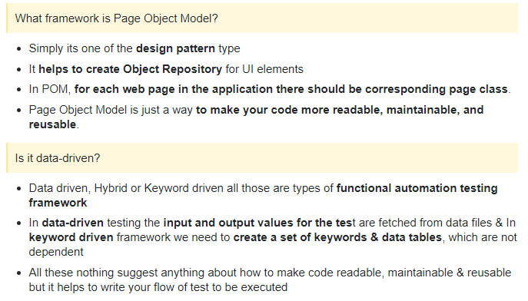 |  |  |  |  |  | Create package com.CRM.qa.pages | Create com.crm.qa.testcases for TestNG | 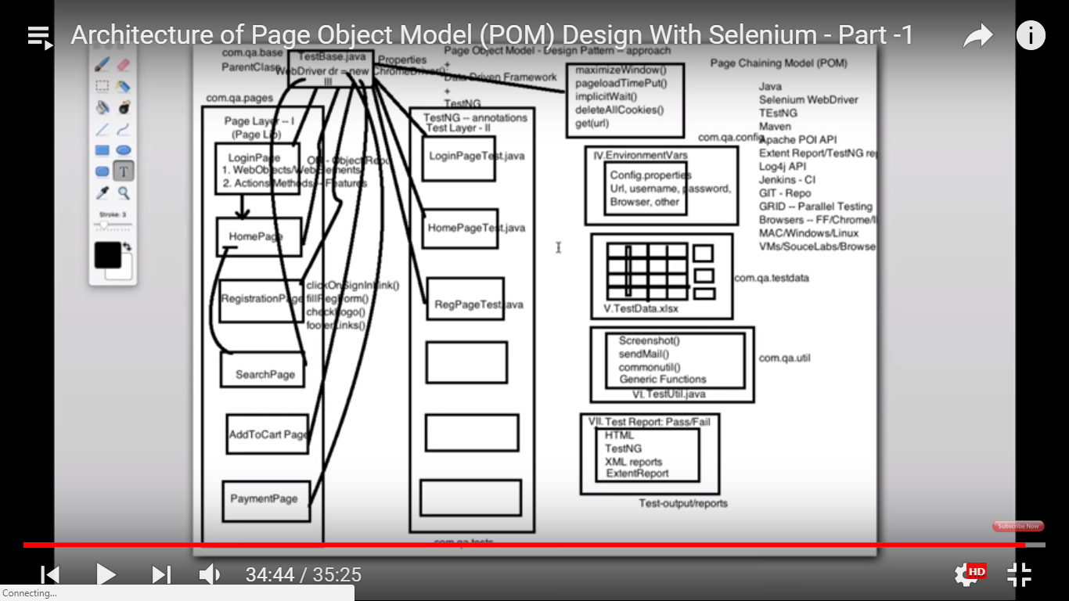 Test-output/Reports |  |  |  |  | Config.properties file | import java.io.FileInputStream; import java.io.FileNotFoundException; import java.io.IOException; import java.util.Properties; | Properties obj = new Properties(); FileInputStream objfile = new FileInputStream(System.getProperty("user.dir")+"\\application.properties"); obj.load(objfile); | Wht we can enter …some info which will remain constant through out the project could be defined here in key pair relationship Navigate to new-other-general-fileoption - enter simple file as XXXX.properties extension in key value relationship. Name = Tom age =25 url=http://www.google.com firstname_xpath=//*[@id='firstname123'] password_xpath=//*[@id='password 123'] city_xpath=//*[@id='chennai']
 |  | testbase java class (parent of all classes i.e create one base class which will be used by all other classes and it has below information in it) | Create file config.properties (only for global environments and no test data has to be stored here)
 |  | initatilise webdriver (webdriver = new chrome drivwer) |  |  |  | create below java class for each page in your application: (1 to 1 mapping)
 |  | initilaise properties | Username= murugan
 |  | define implicit wait for a page(implicitwait()) | password= test@123 |  |  | loginpage java class
 |  | delete cookies deleteallcookies() | browser = chrome |  |  | signuppage java class
 |  | maximise window etc can be written here.maximisewindow() |  |  |  | homepage java class
 |  | get the url (get(url)) |  |  |  | contact java class
 |  |  |  |  |  | Deals

